Sheet1
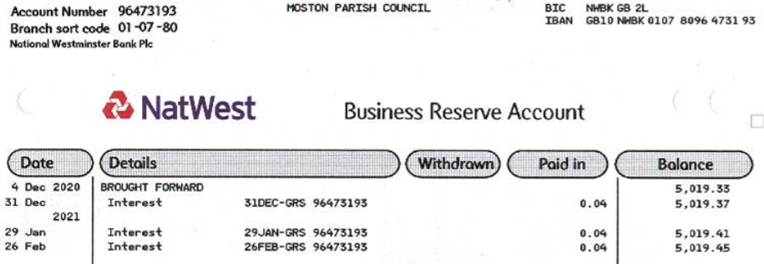
Bank Reconciliation 31 March 2021
MOSTON PARISH COUNCIL
Financial year ending 31 March 2021

Prepared by: Kristine Pemberton, Parish Clerk & RFO

Balance per bank statements as at 31 March 2021 | £ | £
Current Account (07572433) | £8,055.79
Reserve Account (at 5 Mar 21) | £5,019.45
 |  | £13,075.24
Less: any unpresented cheques

 |  | £0.00

Add: any unbanked cash | None

Net bank balances as at 31 March 2021 |  | £13,075.24
The net balances reconcile to the Cash Book (receipts and payments account) for the year, as follows
CASH BOOK

Opening Balance |  | £7,884.64
Add: Receipts in the year |  | £10,727.14
Less: Payments in the year |  | £5,536.54
Closing balance per cash book [receipts and payments book] must equal net bank balances above |  | £13,075.24 | £0.00

